Bug Report
Bug ID | Bug Name | Description | Steps to Reproduce | Test Data | Expected Results | Actual Results | Repro Rate | Attachments | Priority | Severity

BUG-PF:001 | Student cannot successfully fill in all fields in the registration form | Most fields work fine. But, the Subjects field doesn't retain entered data. And the Date of Birth can only be selected from the calendar in the order: year-month-day; it also cannot be filled in manually. | 1. Open the browser and navigate to DemoQA Forms page | https://demoqa.com/forms |  |  |  | 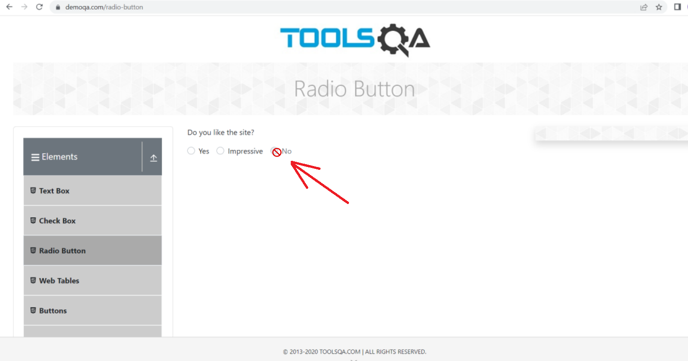
 |  |  | 2. Select 'Practice Form' element from the 'Forms' sidebar
 |  |  | 3. Fill in all the fields | First Name: Marko Last Name: Markovic Email: marko@email.com Gender: Male Mobile Number: 0670000000 Date of Birth: 2000 January 01 Subjects: art, biology Hobbies: Reading, Music Upload a photo Current Address: Street 1 Select State: Haryana Select City: Panipat
 |  |  | 4. Click 'Submit' button |  | A pop-up shows up with a message 'Thanks for submitting the form' and a table displaying all the entered data correctly. | A pop-up shows up with a message 'Thanks for submitting the form' and a table displaying the entered data. However, the date of birth can only be selected from the calendar in the order: year-month-day; any other order gives inconsistent results. And if the user tries to manually enter the date, as soon as they delete the pre-filled date, the whole page becomes blank untill they refresh it. Also, the 'Subjects' field clears all entered data as soon as the user clicks anywhere, even inside the field. | 100% | *Screenshots can't show the exact issues, and I can't add a video to Excel. | Medium | Low

BUG-PF:002 | Footer is covering the 'Submit' button | Footer is covering the bottom part of the 'Practice Form', including the Submit button. Student cannot register unless they expand any sidebar field bellow 'Forms'. | 1. Open the browser and navigate to DemoQA Forms page | https://demoqa.com/forms
 |  |  | 2. Select 'Practice Form' element from the 'Forms' sidebar
 |  |  | 3. Fill in the required fields | First Name: Marko Last Name: Markovic Email: marko@email.com Gender: Male Mobile Number: 0670000000 | The 'Submit' button is visible and can be clicked upon filling in all the required data. | The 'Submit' button is not visible. The footer covers it and user cannot click on it unless they expand any sidebar field bellow 'Forms'. | 100% | 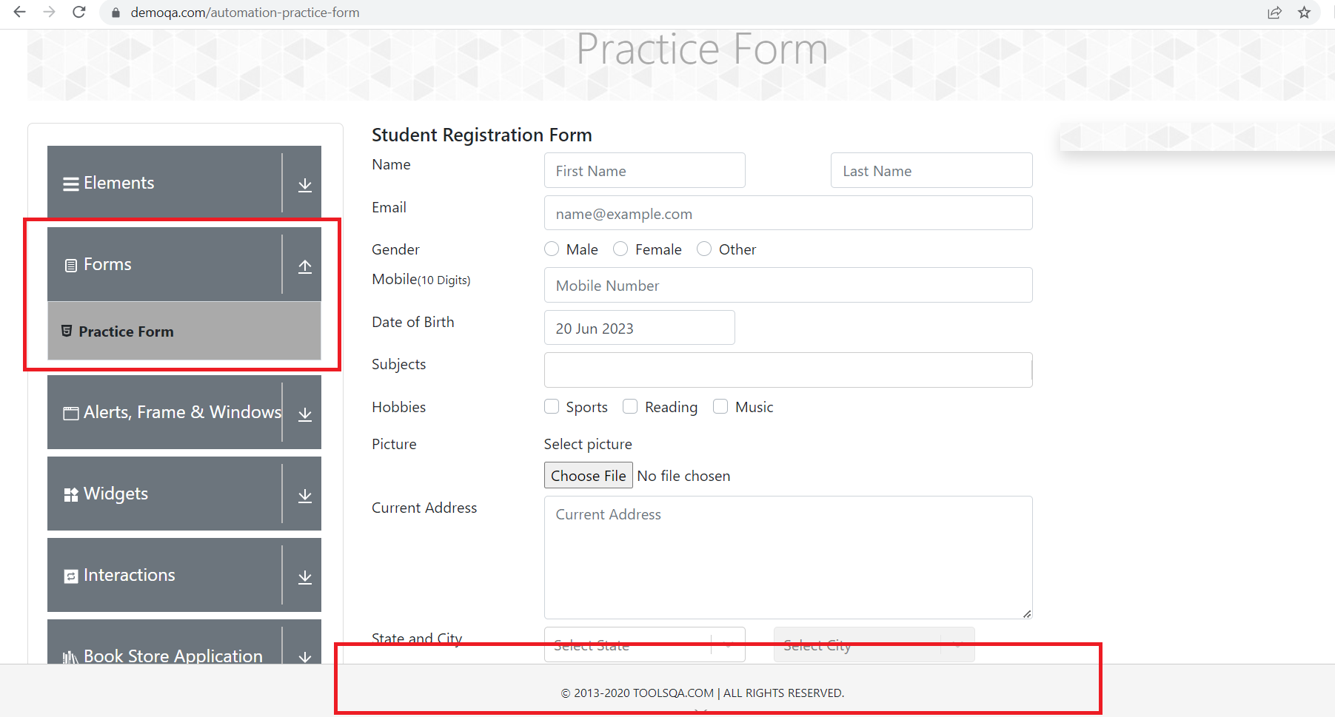 | Medium | Low

BUG-TW:004 | The 'More' tab is disabled | The 'More' tab is not working. Even on a glance, it doesn't have a blue link color the way the 'Origin' and 'Use' tabs do. When clicked on, nothing changes. | 1. Open the browser and navigate to DemoQA Widgets page | https://demoqa.com/widgets
 |  |  | 2. Select 'Tabs' element from the 'Widgets' sidebar
 |  |  | 3. Click the 'More' tab |  | The 'More' tab is selected. The content displayed bellow corresponds the 'More' tab. | The 'More' tab is not selected. By clicking on it, nothing changes. | 100% | 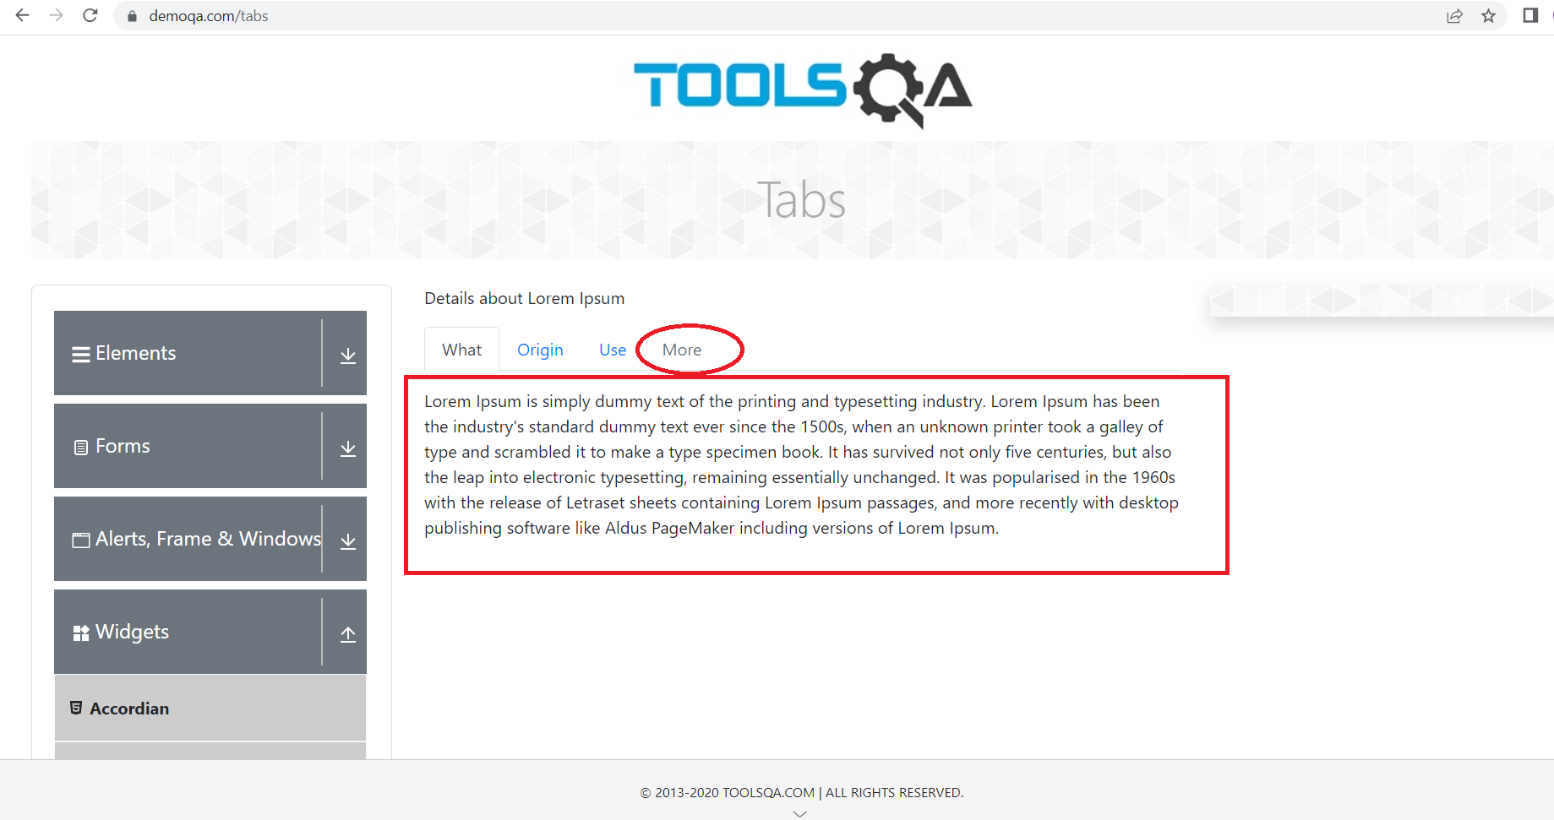 | Low | Low

